Super Admin-Visitor Tags
REQ_ID | Test Name | Description | Path | PreCondition | Actions/Steps | Test Data | Expected Result | Actual Result | Status | Priority | Screenshots | Dev.Comment

1 | Verify UI text consistency | Check if "Super Receptionists Detail" is correct | Super Receptionist Portal > Create Form | User logged in | Navigate to the "Create Super Receptionist" form |  | The label should be "Super Receptionist Details" | "Super Receptionists Detail" displayed | Fail | Medium | 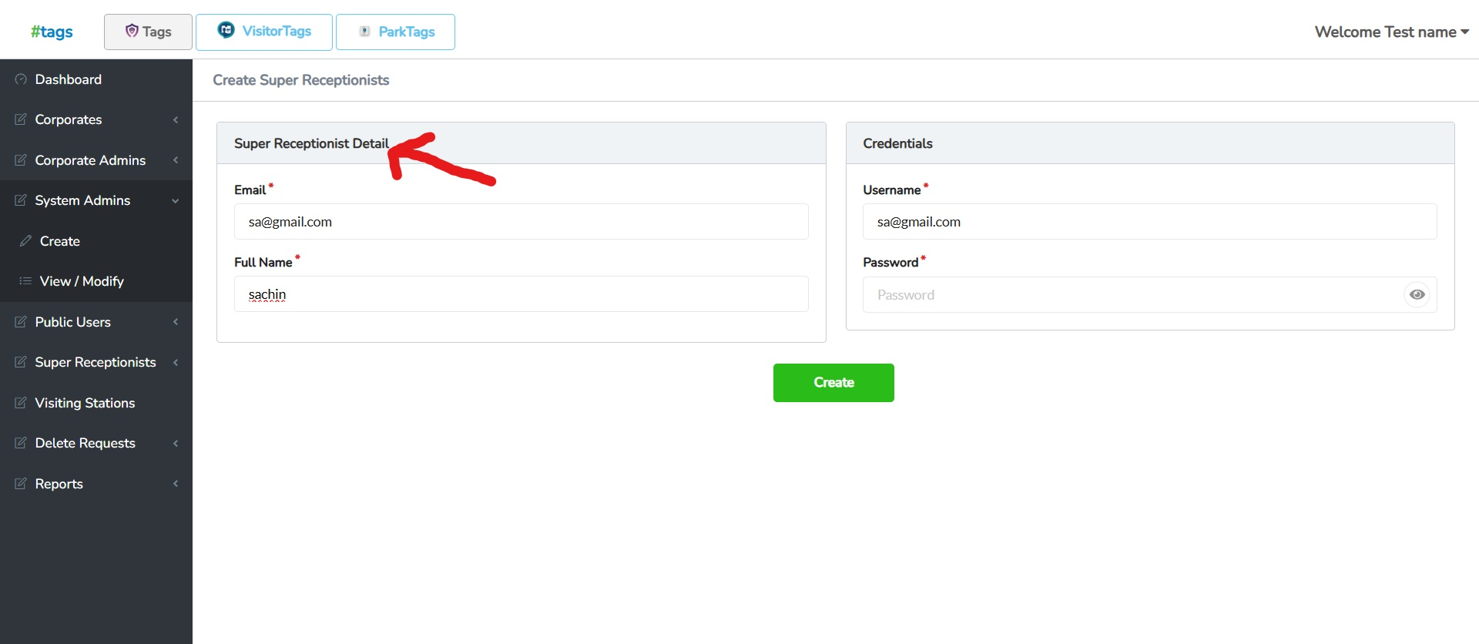 | Fixed
2 | Validate Required Password Field | Check if an appropriate error message is shown when the password field is left empty | Super Receptionist Portal > Create Form | User logged in | 1. Navigate to the "Create Super Receptionist" form. 2. Fill in "Email," "Full Name," and "User Name" fields. 3. Leave the "Password" field empty. 4. Click on "Submit" or "Save". |  | A message like "Password is required" should be displayed | The system displays "Password must contain at least 9 characters, including UPPER/LOWERCASE/SPECIAL_CHARACTER and NUMBERS." instead of stating that the password is required | Fail | Medium | 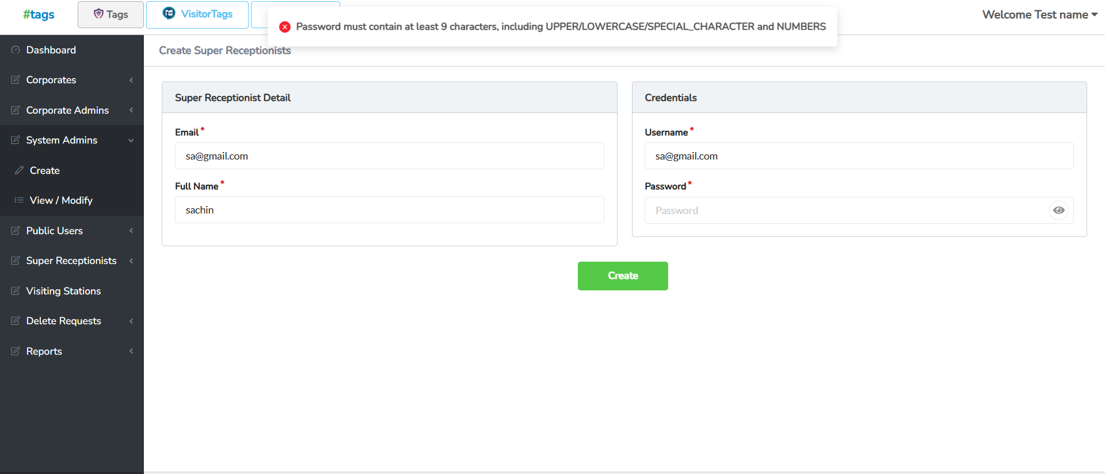 | Fixed
3 | Validate Active Toggle Functionality | Verify that the Active toggle button updates correctly when modified | Super Receptionist Portal > View/Modify > Update System Admin Details | User logged in | 1. Navigate to Super Receptionist > View/Modify. 2. Select Update System Admin Details. 3. Locate the Active toggle button. 4. Click the toggle to switch from "Active" to "Inactive". 5. Save changes. 6. Refresh the page and check the toggle state. |  | The toggle should change to Inactive and stay that way after saving and refreshing | The toggle remains Active even after setting it to Inactive and saving | Fail | High | 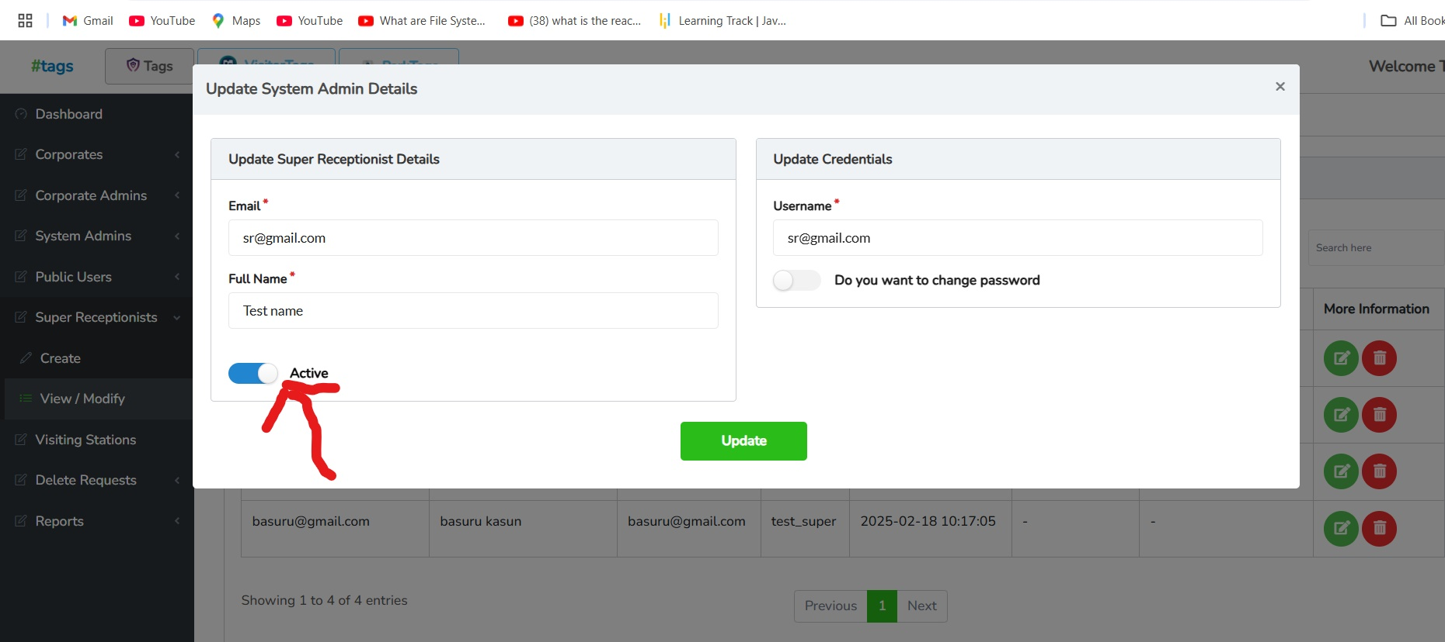 | Fixed

Super Receptionist - Visitor Ta
REQ_ID | Test Name | Description | Path | PreCondition | Actions/Steps | Test Data | Expected Result | Actual Result | Status | Priority | Screenshots | Dev.Comment

1 | Validate NICEmail,Mob Field UI Overlap | Check if the NIC field overlaps with other form details | Super Receptionist Portal > Visitor Information Form | User logged in | 1. Navigate to Super Receptionist Portal > Visitor Information. 2. Click on the Visitor Form. 3. Enter a valid NIC number in the NIC field. 4. Observe the UI behavior after entering data. | NIC: 123456789V | The NIC field should stay properly aligned without overlapping with other details. | The NIC field overlaps with other form details, affecting UI visibility | Fail | High |  | Fixed
2 | Validate Visitor Image Upload | Verify that the visitor image is uploaded successfully | Super Receptionist Portal > Visitor Information Form | User logged in | 1. Navigate to Super Receptionist Portal > Visitor Information. 2. Click on the Visitor Form. 3. Click on the Upload Photo button. 4. Select an image file (JPG, PNG). 5. Click Upload and verify if the image is displayed | Image file (JPG, PNG) | The image should be uploaded and displayed properly in the form. | The image does not upload, and no photo is displayed. | Fail | High | 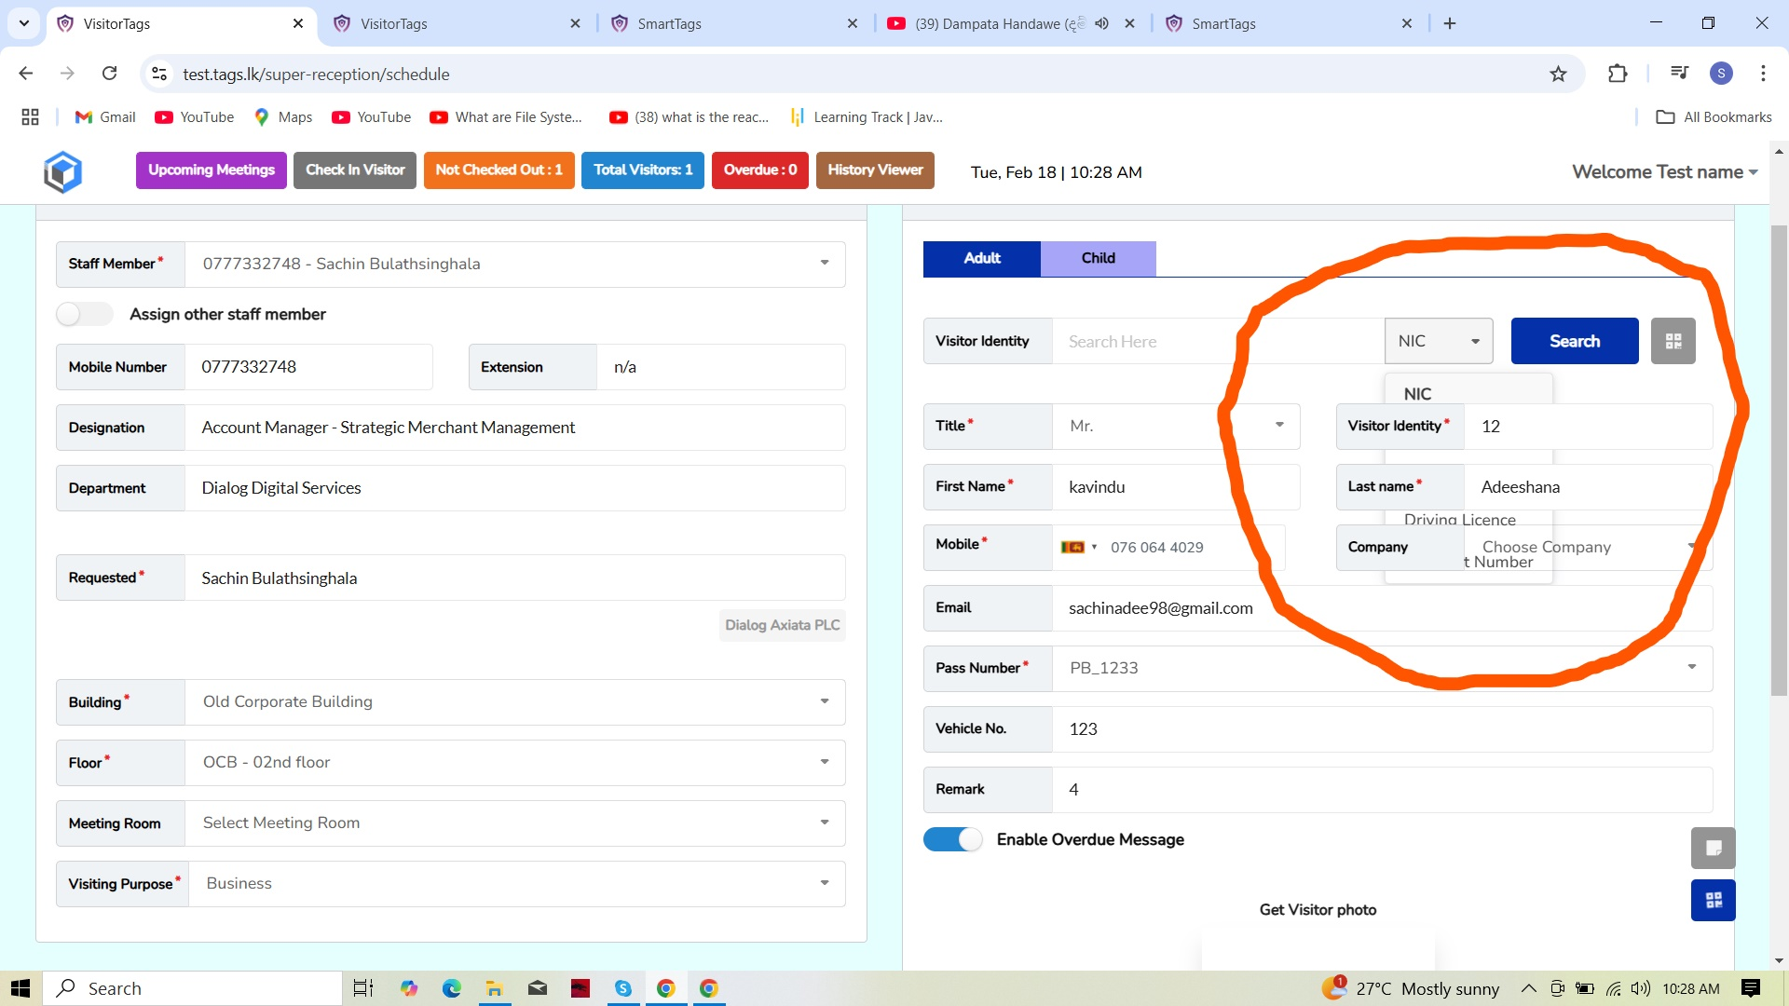 | No Issue Found
3 | Validate Search Bar Visibility | Verify that the search bar text is clearly visible | Super Receptionist Portal > Visitor Information Form | User logged in | 1. Navigate to Super Receptionist Portal > Visitor Information. 2. Locate the Search Bar. 3. Enter any text into the search bar. 4. Observe the text visibility. |  | The text should be clearly visible in the search bar. | The search bar background is dark blue, and the text is black, making it hard to read. |  |  | 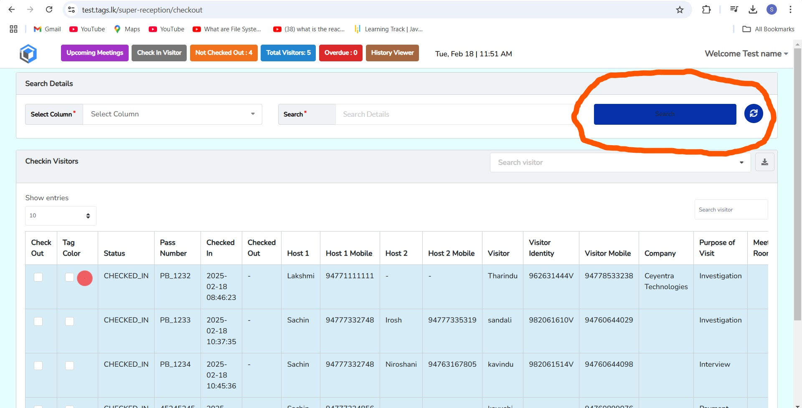 | Fixed | Suggestion - Change text color to white for better visibility.

